Static Object
Sr. No. | Graphics Name | Type | Static Stencil Display | Status
1 | 6112C01 | Column |  | DONE | DONE
2 | 6112C01 | Exchanger |  | DONE | WORKING
3 | 6112C02 | Column |  | PENDING | PENDING
4 | 6112E02 | Exchanger |  | PENDING | TBD
5 | 6112E02 | Exchanger |  | PENDING
6 | 6112E02 | Exchanger |  | PENDING
7 | 6112F02 | Heater | 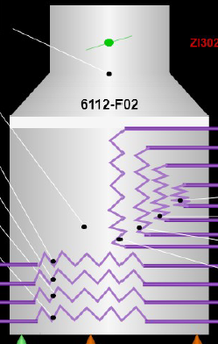 | PENDING
8 | 6112K01 VIBRN | Electric Motor |  | PENDING
9 | 6112K01 VIBRN | compressor |  | PENDING
10 | 6112K01 VIBRN | compressor |  | PENDING

